V-Cycle
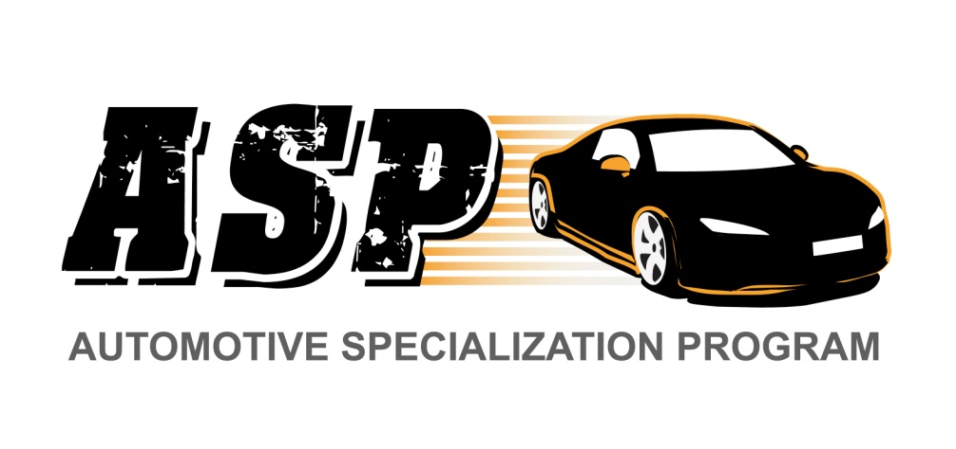
Planning and SW Requirement Analysis
SW Validation
SW Verification and Validation Plan

SW Design
Module Verification

Implementation

Requirement Analysis
'Back to V-Cycle

Requirements Analysis
Propouse | Identify and Analyze SW Requirements

Entry Criteria | -Problem Description
 | - Traceability Matrix Template
 | - Design especification Document Template
 | - Test Plan template

Step | Activities | Description
1 | Requirements Engineering | Identify the functional and non-functional SW component requirements |  | X
 |  | Collect requirements into the Traceability Matrix Tool ( requirements Section)
 |  | Ensure that the requirements statement is clear and unambiguous. | X | X
 |  | Review the requirements with their stakeholders and Resolve any questions.
2 | Planning -Estimation | Porduce a Conceptual design base on the requirements (Block Diagram, Boundary Diagram)
 |  | Document the Conceptual desing into the Design Especification Document
 |  | Based on the modules defined,Estimate the effort required to develop each of those modules
 |  | Create a schedule plan to implement System

3 | Test Planning | Specify tests procedures for high level requirement validation
 |  | For each of the requirements defined, specify the test acceptance criteria
 |  | Document the test procedures into the test plan template
 |  | Include the test specifications into the Traceability Matrix Template (testing Section)

Exit Criteria | - Traceability Matrix filled out with the requirements well defined and categorized
 | - Plan to implement the changes
 | - Conceptual design into the Design specification Document
 | - Test procedures for requirements verification
 | - Checked in all working documents into the repository

SW Design
'Back to V-Cycle

Software Design
Propouse | Review the requirements and produce a design specification to meet them.

Entry Criteria | - Requirement Specifications from the Traceability Matrix Template
 | - Conseptual design
 | - Design Specification template
 | - Design Review Check List
 | - Defect recording Logs template

Step | Activities | Description
1 | Module Design | - Review the requirements and produce an external Desing specification to meet them.
 |  | - Document the Desing using the DSD Document
 |  | update the traceability matrix (Design Section ) with the desing information
 |  | - Record in the Defect Recording log any requirements defects found.
2 | Module Test Verification | - Base on the design module definition, create test procedure to verify the module functionality
 |  | - Use Test plan template to Document Test cases

Exit Criteria | - Completed Traceability Matrix Template (Design Section )
 | - Completed Design Specification template
 | - Completed defect Recording log
 | - Checked in all working documents into the repository

Implementation
'Back to V-Cycle

Implementation
Propouse | Implement the Code following the Coding standards
 |  |  | Hector Cuellar

Entry Criteria | - Design Specification
 | - Traceability Matrix Template
 | - Code Review Check List
 | -Naming Convention
 | - Defect Log Template

Step | Activities | Description
1 | Code | Implement the code Following the Naming and coding estandar
 |  | Record in the Defect Recording log any requirements or design defects found.
 |  | update the traceability matrix (Coding Section ) with the Code information

2 | Code Review | Follow the Code Review checklist and review the code.
 |  | Identify and clasify any issue found
 |  | Fix all defects found (coming from design or requirements)

3 | Compile | Compile the program until there are no compile errors.
 |  | Fix all defects found
 |  | Record defects in the Defect Recording log.

Exit Criteria | - program compliled sucessfully
 | - Completed Code Review Check List
 | - Traceability Matrix Template
 | - Checked in all working documents into the repository

Module Verification
'Back to V-Cycle

Module Verification
Propouse | Validate SW design using test procedures

Entry Criteria | - Test Plan
 | - SW Compliled
 | - Defect Log Template

Step | Activities | Description
1 | Test Verification | - Review the test cases previously defined and make any update as needed
 |  | i.e. add a missing test case for a certain functionality
 |  | - update the respective test plan document

2 | Test Execution | - Run each of the test cases until all tests run without error.
 |  | - Record defects in the Defect Recording log.
 |  | - Fix all defects found ( if the defect comes from previous phases like design or requirements, update the respective documents (DSD, C Code files, test plan ))

Exit Criteria | - A thoroughly tested modules
 | - Completed Test Report template
 | - Completed Defect Recording logs
 | - Checked in all working documents into the repository

SW Validation
'Back to V-Cycle
'Back to V-Cycle

SW Validation
Propouse | validate that the SW meet the requirements

Entry Criteria | - Test Plan
 | - SW Compliled and tested
 | - Defect Log Template

Step | Activities | Description
1 | Test Verification | - Review the test cases previously defined and make any update as needed
 |  | i.e. add a missing test case for a certain Requirement
 |  | - update the respective test plan document

2 | Test Execution | - Run each of the test cases until all tests run without error.
 |  | - Record defects in the Defect Recording log.
 |  | - Fix all defects found , if the defect comes from previous phases like design or requirements, update the respective documents (DSD, C Code files, test plan ))

Exit Criteria | - A thoroughly tested program
 | - Completed Test Report template
 | - Requirement Traceability Matrix Template
 | - Completed defect Recording logs
 | - Checked in all working documents into the repository

 | Final Analysis | Review the defect log to verify that all of the defects found in each phase were recorded.
 |  | Using your best recollection, record any omitted defects.
 |  | Analyze the defect log. Identify which are the most common and critical defects. In which phases were introduced the most number of defects.
 |  | Based on your analysis Consider to include/update some of those topics into the reviews checklist and test plans for further development

